ART
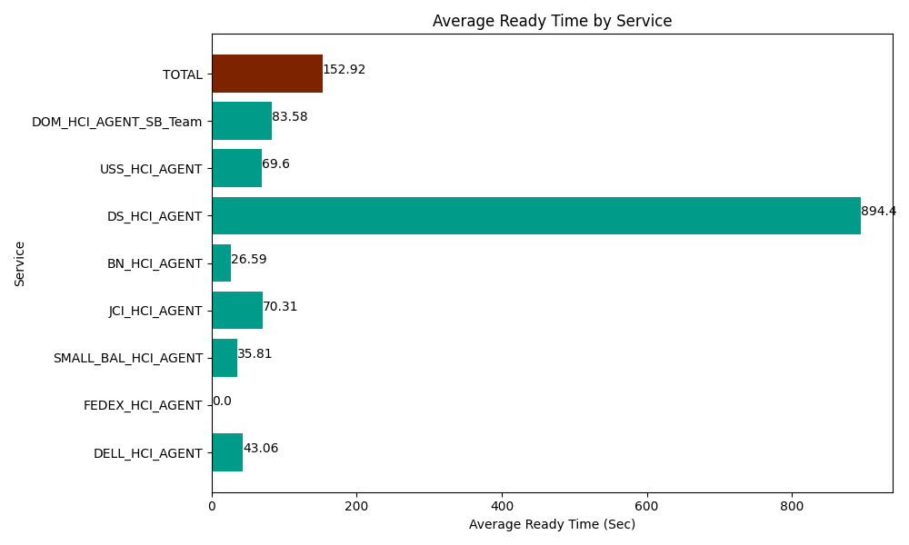
Date | Service | Successful Op Transfer | In Call (Sec) | Ready (Sec) | Wrapup (Sec) | Not Ready (Sec) | Average Ready Time (Sec)
06-24-2024 | DELL_HCI_AGENT | 261 | 27283.200073 | 11238.000183 | 83045.998535 | 54757.800293 | 43.06
06-24-2024 | FEDEX_HCI_AGENT | 0 | 0 | 556.79998398 | 0 | 380.99999428 | 0
06-24-2024 | SMALL_BAL_HCI_AGENT | 197 | 8936.9998169 | 7054.1999817 | 25716.000366 | 13807.199707 | 35.81
06-24-2024 | JCI_HCI_AGENT | 58 | 6178.2000732 | 4078.2000732 | 6033.0001831 | 307.80000687 | 70.31
06-24-2024 | BN_HCI_AGENT | 910 | 52635 | 24201.000366 | 80499.001465 | 43175.998535 | 26.59
06-24-2024 | DS_HCI_AGENT | 3 | 33.000000715 | 2683.2000732 | 481.79998398 | 64.200003147 | 894.4
06-24-2024 | USS_HCI_AGENT | 228 | 28168.200073 | 15868.800659 | 42045 | 29665.200806 | 69.6
06-24-2024 | DOM_HCI_AGENT_SB_Team | 39 | 4873.8002014 | 3259.8001099 | 4705.1998901 | 1348.1999588 | 83.58
 | TOTAL | 1696 | 128108.40024 | 68940.001431 | 242526.00042 | 143507.3993 | 152.92

